Summary
Sheet | Alpha Value | Description
A | 2.64 | Value determined for freshwater surface samples in Kooi et al., 2021 (doi.org/10.1016/j.watres.2021.117429)
B1 | 1.7669021859 | Distribtuion fit including non-fibers and fibers with traced length, grouped by site only (SDC)
B2 | 2.4339786729 | Distribtuion fit with only non-fibers , grouped by site only (SDC)
C1 | 1.8210883225 | Distribtuion fit including non-fibers and fibers with traced length, grouped by site and season (SDC, stormflow)
C1 | 1.4836929753 | Distribtuion fit including non-fibers and fibers with traced length, grouped by site and season (SDC, lowflow)
C2 | 2.5148291131 | Distribtuion fit with only non-fibers , grouped by site and season (SDC, stormflow)
C2 | 2.0643947645 | Distribtuion fit with only non-fibers , grouped by site and season (SDC, lowflow)

*All corrections were done from 330-5000 um -> 250-5000 um

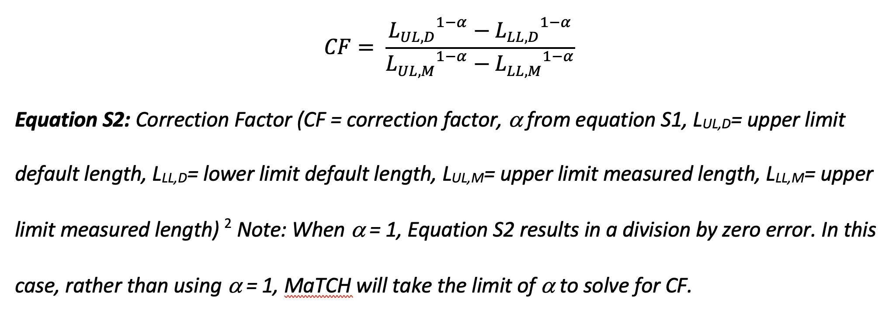

*CF equation from Koelmans et al. 2020 (https://doi.org/10.1021/acs.est.0c02982)
** CF multiplied by concentration to give corrected concentration

